Sheet3
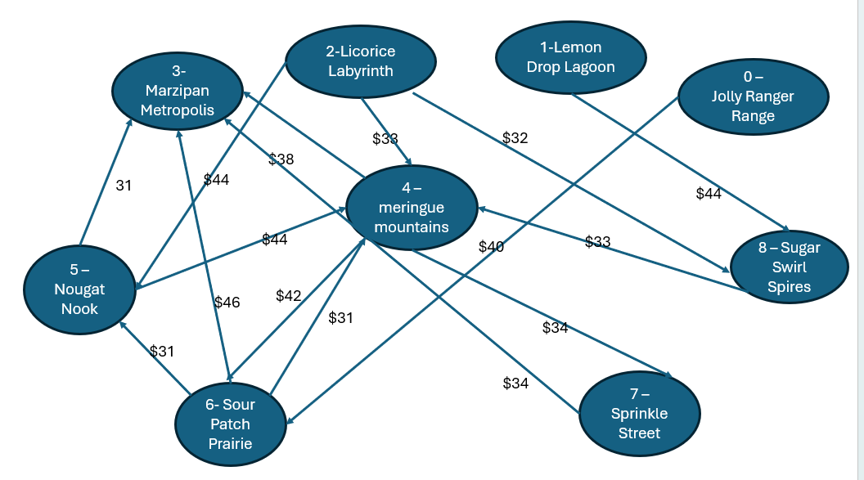
 |  |  |  | Total Transportation Cost -> |  |  | $39,174.00

Ship | From |  | To |  | Unit Cost | Nodes |  | Inflow | Outflow | Net Flow | Supply/Demand
352 | 0 | Jolly Rancher Range | 6 | Sour Patch Prairie | $40 | 0 | Jolly Rancher Range | 0 | 352 | -352 | -352
164 | 1 | Lemon Drop Lagoon | 8 | Sugar Swirl Spires | $44 | 1 | Lemon Drop Lagoon | 0 | 164 | -164 | -273
132 | 2 | Licorice Labyrinth | 4 | Meringue Mountains | $33 | 2 | Licorice Labyrinth | 0 | 271 | -271 | -271
139 | 2 | Licorice Labyrinth | 5 | Nougat Nook | $44 | 3 | Marzipan Metropolis | 161 | 0 | 161 | 161
0 | 2 | Licorice Labyrinth | 8 | Sugar Swirl Spires | $32 | 4 | Meringue Mountains | 132 | 0 | 132 | 132
0 | 4 | Meringue Mountains | 3 | Marzipan Metropolis | $38 | 5 | Nougat Nook | 139 | 0 | 139 | 161
0 | 4 | Meringue Mountains | 6 | Sour Patch Prairie | $42 | 6 | Sour Patch Prairie | 352 | 161 | 191 | 191
0 | 4 | Meringue Mountains | 7 | Sprinkle Street | $34 | 7 | Sprinkle Street | 0 | 0 | 0 | 191
0 | 5 | Nougat Nook | 3 | Marzipan Metropolis | $31 | 8 | Sugar Swirl Spires | 164 | 0 | 164 | 164
0 | 5 | Nougat Nook | 4 | Meringue Mountains | $44
161 | 6 | Sour Patch Prairie | 3 | Marzipan Metropolis | $46
0 | 6 | Sour Patch Prairie | 4 | Meringue Mountains | $31
0 | 6 | Sour Patch Prairie | 5 | Nougat Nook | $31
0 | 7 | Sprinkle Street | 3 | Marzipan Metropolis | $34
0 | 8 | Sugar Swirl Spires | 4 | Meringue Mountains | $33

